Sheet1
 |  | Document No. | Issue No. | Issue Date |  | Review and Replace Date |  | Authorised By
 |  | GFF212MC | 6 | 10.09.2020 |  | 15.05.2023 |  | Magda Shah
 |  | Document Title | KERALAN PRAWN MASALA 350g

Document amendments reason for change |  | Garnish removed and weight of the sauce increased |  | Page 1 of 1 | Previous Issue Date |  | 22.12.2021 | Uncontrolled copy unless signed original

CPKER-R4TCC | CHEFS CREATION |  | KERALAN PRAWN MASALA 350g | CHILLED
STEP 1 |  |  |  |  | STEP 2
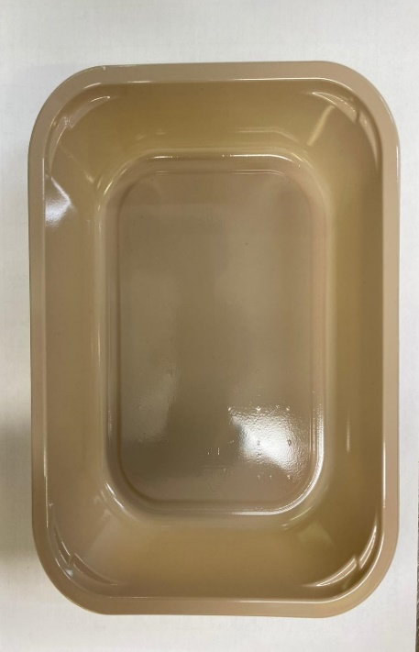 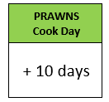 |  |  |  |  | 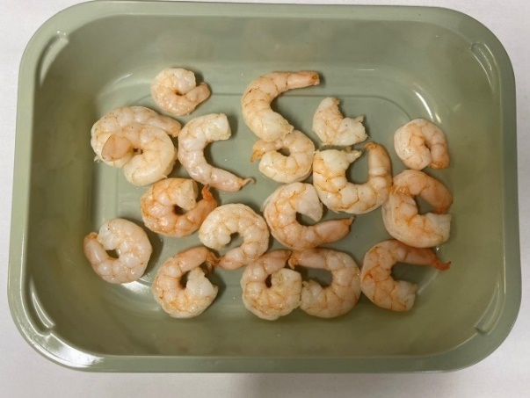

Pack within 2 days from cooking prawns

Tray: EVOLVE CPET 2200-1E (PKRHP001-08) |  |  |  |  | Marinated King Prawn (Ready Meals) (GFF403R): 85g

Film: K peel 7G+25A/f- 275mm (275 mmX1000)(PKKMP001-03)

STEP 3 |  |  |  |  | STEP 4
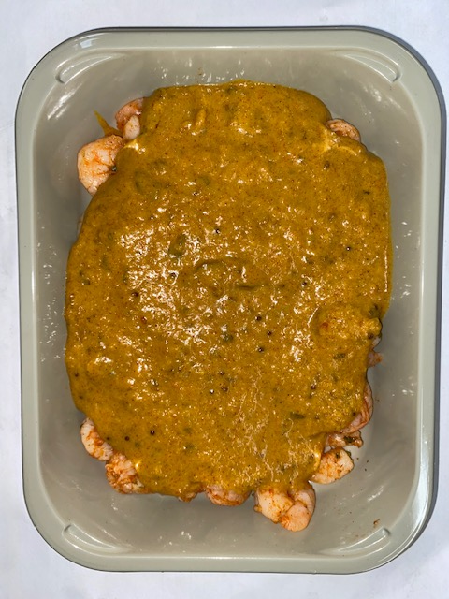

Keralan Curry Sauce (CC) (GFF323R): 265g
85g + 265g = 350g |  |  |  |  | TOTAL WEIGHT: 350g
ALLERGY ALERT: MUSTARD, BARLEY, CRUSTACEAN

